1. Title Page
Instacart Basket Analysis

Project Name: Instacart Basket Analysis
Date: 17.05.2025
Analyst Name: Yasemin Mustafa

Contents:
Population Flow
Consistency checks
Wrangling steps
Column derivations
Visualizations
Recommendations

Data Citation
"The Instacart Onlince Grocery Shopping Dataset 2017", Accessed from www.instacart.com/datasets/grocery-shopping-2017 via Kaggle on 30/05/2025.
Supplementary Dataset
Additional customer data provided by CareerFoundry.
Please note that the customer data explored in Exercise 4.9 and 4.10, as well as the "prices" column in the products data set, were both fabricated for the purposes of this course.

2. Population Flow
Title page

Population flow

Exclusion flag
Condition: max_order <5
Obervations to be removed: 2076096
Final total count of order_products_all: 30328763

Orders_products_combined
Orders_products_merged
Orders_products_all

Total: 32404859
Total: 32640698
Total: 30328763

1.) The grey boxes in the first row of the population flow represent the original data sets as they were when you downloaded them. In the Total fields you need to add the count of the rows when you imported the data set into Jupyter.
2.) The second row of boxes (coloured) represents the data sets after you manipulated them, e.g., removed missing values and duplicates. In the Total fields you need to add the count of the rows after conducting these operations. This offers a visual oveview of how the data flows throughout the data consistency checks.
3.) The third row, where also the arrows are coloured, represents the merges you performed between the datasets. In the Total fields you need to add the count of the rows in the merged datasets, so that you end up with the final dataset (in the red box). Keep in mind the final dataset should be without exclusions (based on the exclusion flag).

3. Consistency checks
 |  |  |  | Title page
Consistency checks

Dataset | Missing values | Missing values treatment | Duplicates
orders | 206209 | created a subset dataframe that contains only the rows excluding missing data | -
products | 16 | created a subset dataframe that contains only the rows excluding missing data | 5
orders_products_prior | - | - | -
customers | - | - | -

4. Wrangling steps
 |  |  |  | Title page
Wrangling steps

Columns dropped | Columns renamed | Columns' type changed | Comment/Reason
eval_set |  |  | irrelevant for my data purposes
 | order_dow |  | unintuitive
 |  | order_id | doesn’t represent real numeric values
 |  | user_id | doesn’t represent real numeric values
 | eval_set |  | unintuitive
 | First name |  | not uniform
 | Surnam |  | Incorrect spelling
 | STATE |  | not uniform
 | Age |  | not uniform
 | Gender |  | not uniform
 | n_dependants |  | unintuitive
 |  | first_name | chnaged to string
first_name |  |  | data protection (PII Data)
surname |  |  | data protection (PII Data)

5. Column derivations
 |  |  |  | Title page

Column derivations and aggregations

In this tab you should add tables below that the frequences of flags/label variables that you produced after deriving them. NB: don't do this for continuous variables, only for flags.
Dataset | New column | Column/s it was derived from | Conditions
df = ords_prods_merge[:1000000] | price_range | prices | def price_label(row): if row['prices'] <= 5: return 'Low-range product' elif (row['prices'] > 5) and (row['prices'] <= 15): return 'Mid-range product' elif row['prices'] > 15: return 'High range' else: return 'Not enough data'
df = ords_prods_merge[:1000000] | price_range_loc | prices | df.loc[df['prices'] > 15, 'price_range_loc'] = 'High_range product' df.loc[(df['prices'] <= 15) & (df['prices'] > 5), 'price_range_loc'] = 'Mid-range product' df.loc[df['prices'] <= 5, 'price_range_loc'] = 'Low-range product'
ords_prods_merge | price_range_loc | prices | ords_prods_merge.loc[ords_prods_merge['prices'] > 15, 'price_range_loc'] = 'High_range product' ords_prods_merge.loc[(ords_prods_merge['prices'] <= 15) & (ords_prods_merge ['prices'] > 5), 'price_range_loc'] = 'Mid-range product' ords_prods_merge.loc[ords_prods_merge['prices'] <= 5, 'price_range_loc'] = 'Low-range product'
ords_prods_merge | busiest_day | orders_day_of_week | result = [] for value in ords_prods_merge["orders_day_of_week"]: if value == 0: result.append("Busiest day") elif value == 4: result.append("Least busy") else: result.append("Regularly busy")
ords_prods_merge | busiest_days | orders_day_of_week | result = [] for value in ords_prods_merge["orders_day_of_week"]: if value in [0, 1]: result.append("Busiest days") elif value in [3, 4]: result.append("Least busy days") else: result.append("Regularly busy")
ords_prods_merge | busiest_period_of_day | order_hour_of_day | result = [] for value in ords_prods_merge["order_hour_of_day"]: if value in [10, 11, 14, 15, 13, 12]: result.append("Most orders") elif value in [1, 2, 3, 4, 5, 0]: result.append("Fewest orders") else: result.append("Average orders")
ords_prods_merge | loyalty_flag | max_order | ords_prods_merge.loc[ords_prods_merge['max_order'] > 40, 'loyalty_flag'] = 'Loyal customer' ords_prods_merge.loc[(ords_prods_merge['max_order'] <= 40) & (ords_prods_merge['max_order'] > 10), 'loyalty_flag'] = 'Regular customer' ords_prods_merge.loc[ords_prods_merge['max_order'] <= 10, 'loyalty_flag'] = 'New customer'
ords_prods_merge | spending_flag | average_spending | ords_prods_merge.loc[ords_prods_merge['avg_spending'] < 10, 'spending_flag'] = 'Low spender' ords_prods_merge.loc[ords_prods_merge['avg_spending'] >= 10, 'spending_flag'] = 'High spender'
ords_prods_merge | order_frequency_flag | median_order | ords_prods_merge.loc[ords_prods_merge['median_order'] > 20, 'order_frequency_flag'] = 'Non-frequent customer' ords_prods_merge.loc[(ords_prods_merge['median_order'] > 10) & (ords_prods_merge['median_order'] <= 20), 'order_frequency_flag'] = 'Regular customer' ords_prods_merge.loc[ords_prods_merge['median_order'] <= 10, 'order_frequency_flag'] = 'Frequent customer'
ords_prods_all_2 | region | state | def get_region(state): northeast = [ 'Connecticut', 'Maine', 'Massachusetts', 'New Hampshire', 'Rhode Island', 'Vermont', 'New Jersey', 'New York', 'Pennsylvania' ] midwest = [ 'Wisconsin', 'Michigan', 'Illinois', 'Indiana', 'Ohio', 'North Dakota', 'South Dakota', 'Nebraska', 'Kansas', 'Minnesota', 'Iowa', 'Missouri' ] south = [ 'Delaware', 'Maryland', 'District of Columbia', 'Virginia', 'West Virginia', 'North Carolina', 'South Carolina', 'Georgia', 'Florida', 'Kentucky', 'Tennessee', 'Mississippi', 'Alabama', 'Oklahoma', 'Texas', 'Arkansas', 'Louisiana' ] west = [ 'Idaho', 'Montana', 'Wyoming', 'Nevada', 'Utah', 'Colorado', 'Arizona', 'New Mexico', 'Alaska', 'Washington', 'Oregon', 'California', 'Hawaii' ] if state in northeast: return 'Northeast' elif state in midwest: return 'Midwest' elif state in south: return 'South' elif state in west: return 'West' else: return 'Other'
ords_prods_all_2 | activity_customer_level | max_order | activity_customer=[] for value in df_ords_prods_all_2['max_order']: if value <5: activity_customer.append('Low-activity Customer') elif value >=5: activity_customer.append('High-activity Customer') else: activity_customer.append('Not enough information') df_ords_prods_all_2['activity_customer_level']=activity_customer
ords_prods_all_2 | customer_profile | age, income,order_hour_of_day, orders_day_of_week, number_of_dependants, department_id | # Define conditions conditions = [ (df_ords_prods_all_2['age'] < 30) & (df_ords_prods_all_2['number_of_dependants'] == 0) & (df_ords_prods_all_2['income'] < 40000), (df_ords_prods_all_2['age'] >= 30) & (df_ords_prods_all_2['number_of_dependants'] >= 1) & (df_ords_prods_all_2['income'] < 70000) & (df_ords_prods_all_2['department_id'].isin([18])), (df_ords_prods_all_2['income'] >= 100000) & (df_ords_prods_all_2['department_id'].isin([5, 6, 12])), (df_ords_prods_all_2['order_hour_of_day'] >= 21) | (df_ords_prods_all_2['order_hour_of_day'] <= 5), (df_ords_prods_all_2['orders_day_of_week'].isin([0, 1])) & (df_ords_prods_all_2['number_of_dependants'] >= 2) ] # Define corresponding profile labels choices = [ 'Single Budget Adult', 'Young Parent', 'Affluent Shopper', 'Night Owl Shopper', 'Weekend Family Shopper' ] # Apply conditions df_ords_prods_all_2['customer_profile'] = np.select(conditions, choices, default='General Customer')

6. Visualisations
Title page

Visualisations

In this tab you should include all the visualtions from Exercises 4.9 and 4.10, alongside the questions from the project brief that they answer. Include any commentary on the relationship between different variables.

Bar chart of loyalty_flag
Bar chart of loyalty_flag
Histogram of order_of_day

What are the busiest hours of the day?
What’s the distribution among users in regards to their brand loyalty (i.e., how often do they return to Instacart)?
What are the busiest days of the week?

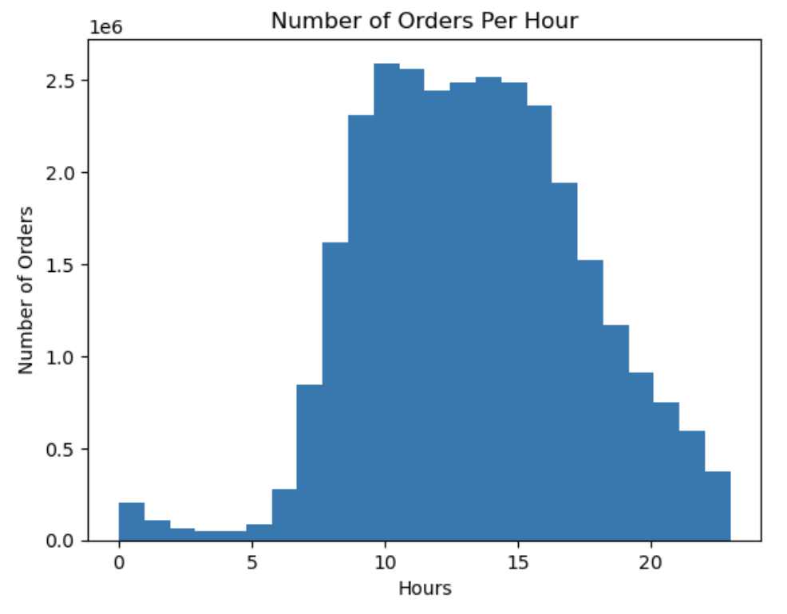
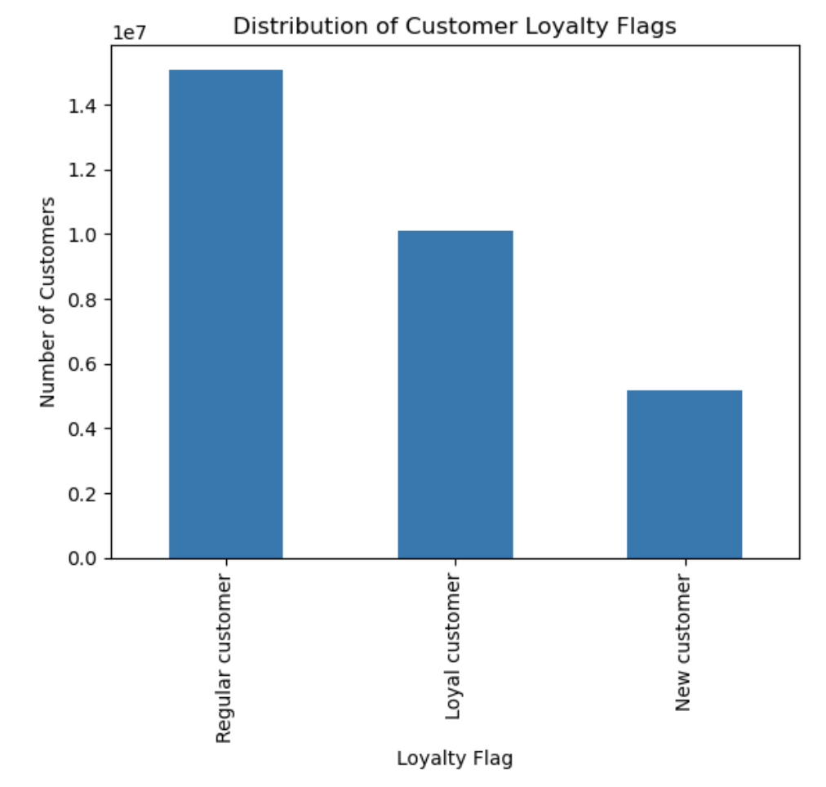
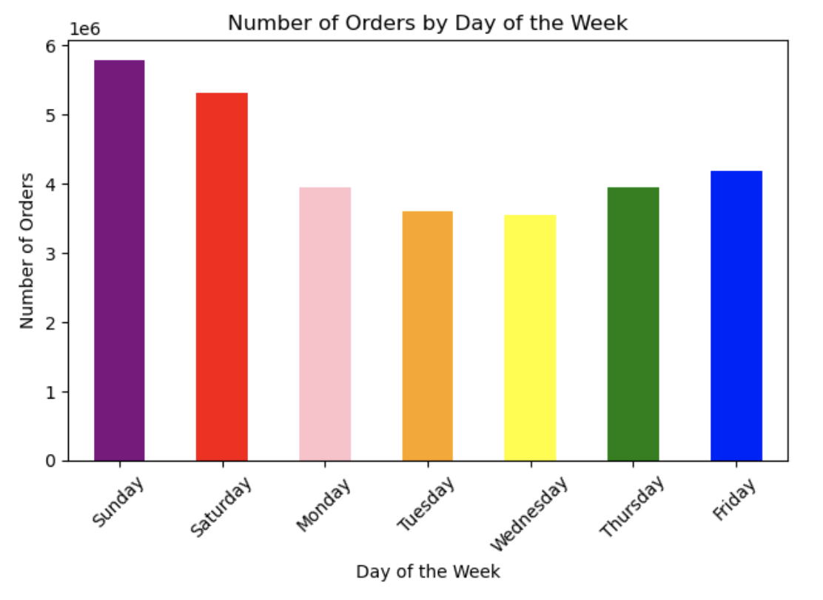

Most orders occur between 9 AM and 4 PM, with a clear peak around 10 AM to 12 PM. Very few orders are placed late at night or early in the morning (e.g. 0–5 AM). There’s a steady drop-off after 5 PM, with fewer orders in the evening.
Regular customers make up the largest group, followed by Loyal customers. This suggests that the business has a strong base of returning customers — both regular and loyal — which is a positive sign of customer retention. The smaller number of new customers could suggest either a potential area for marketing growth, or that once new customers join, they tend to return and become regular or loyal customers.
Sunday is the busiest day of the week, followed closely by Saturday, suggesting many customers prefer to do their grocery shopping over the weekend.
Friday ranks as the third busiest day, which may be tied to users stocking up for the weekend. Wednesday is the least busy day, perhaps because many people have already stocked up earlier in the week, and weekend shopping is still a few days away.

Line chart of hour_of_day
Line chart of dependants
Scatter plot of income

At what time of day do people spend the most money?
Is there a connection between age and family status in terms of ordering habits?
What different classifications does the demographic information suggest? Age? Income?

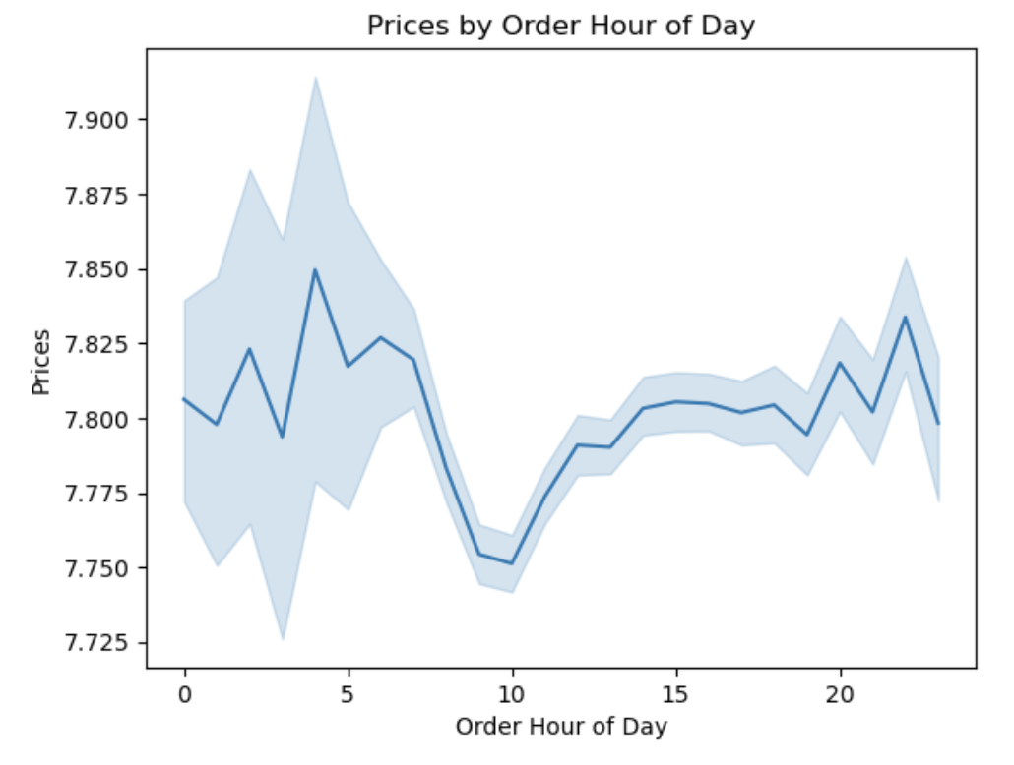
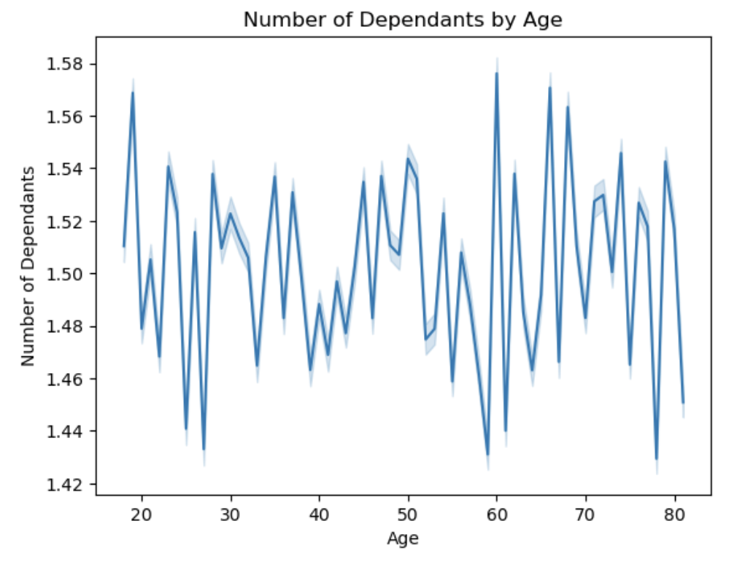
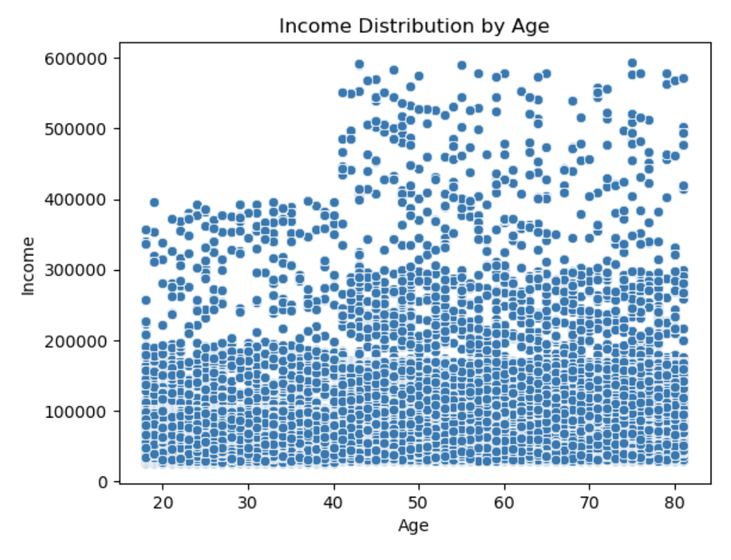

Product prices remain relatively stable throughout the day, generally ranging between 7.75 and 7.90 dollars. There is slightly greater variability during the early morning hours (12 AM to 6 AM), which can make the averages less reliable. Prices dip slightly in the late morning (around 10–11 AM), possibly because fewer people shop during typical working hours. In the afternoon, prices level out and remain consistent, with a modest increase again in the evening.
The number of dependants fluctuates across all age groups but remains within a narrow range (roughly between 1.42 and 1.58). The average being around 1.5 suggests that dependants are relatively common, but most people don’t have very large families.
At nearly every age, particularly from 25 to 75, there is a broad spread of income values. You can see a noticeable concentration of high earners (over 400,000) appearing more often around the 40–60 age range, aligning with typical career progression often in mid-to-late career. Most data points fall under the 200,000 income mark, showing that a majority earn below this threshold regardless of age. The overall pattern shows a high variance of income across all age groups.

Bar chart of customer activity level
Bar chart of spending behaviour
Bar chart of distribution of customer profiles

What’s the distribution among users in regard to their brand loyalty (i.e., how often do they return to Instacart)?
Are there differences in ordering habits based on a customer’s region?
What differences can you find in ordering habits of different customer profiles?

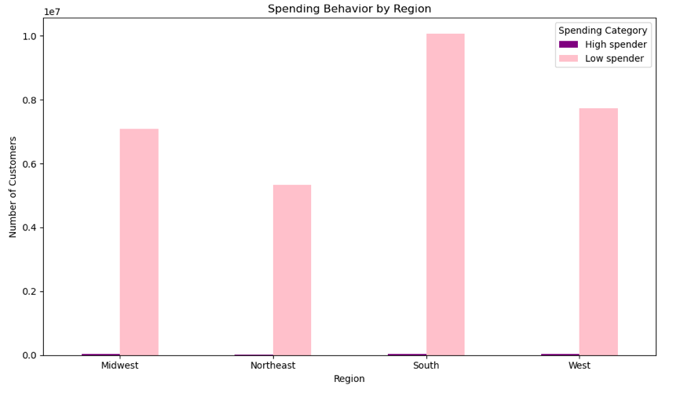
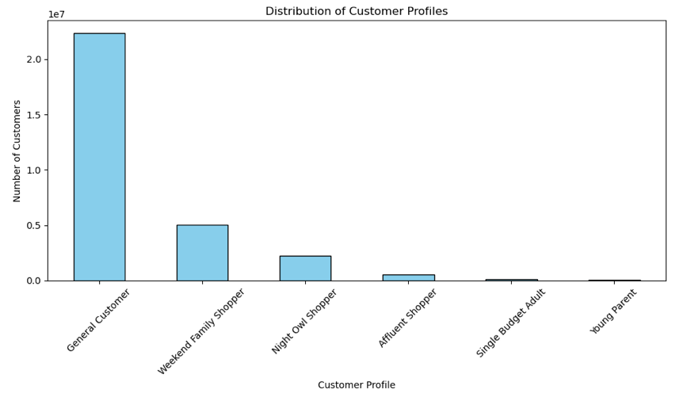
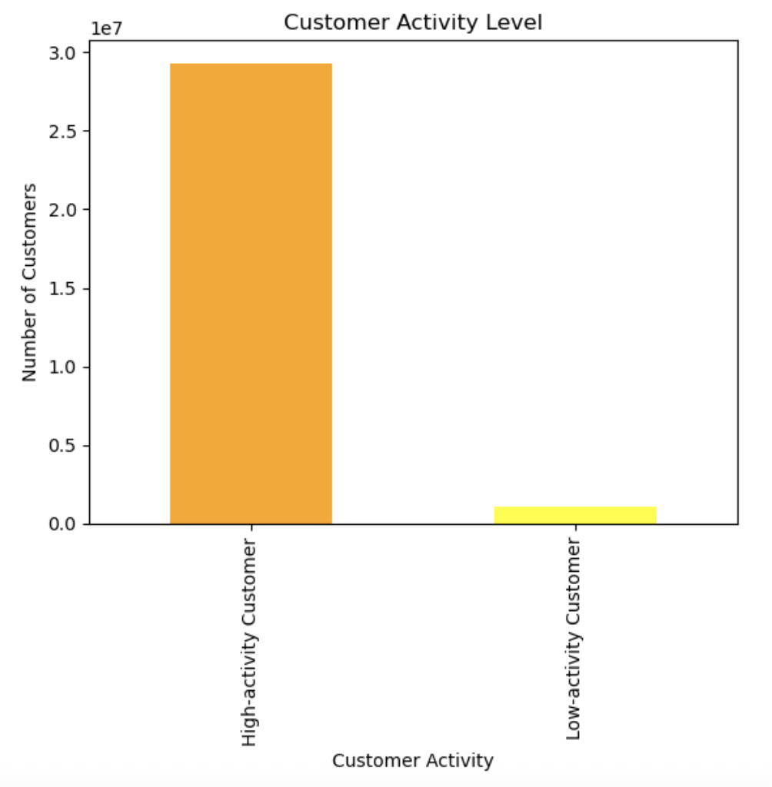

Compares two key segments of Instacart customers based on their ordering frequency: high-activity customers (those who have placed 5 or more orders) and low-activity customers (those with fewer than 5 orders). High-activity customers make up a significantly larger portion of the customer base. This suggests that once users place a few initial orders, they are likely to return and become more engaged with the platform. The lower number of low-activity customers may reflect first-time or trial users, or users who haven’t yet built a shopping habit with Instacart.
The South has the highest number of customers, making it a key region for Instacart. The Northeast has the fewest, suggesting room for growth. When focusing on high-spending customers, the South again leads, closely followed by the West, which, despite having fewer total users, has a strong base of high-value customers. High spenders are less common in the Midwest and Northeast, likely due to regional differences in income, shopping habits, or platform usage. This highlights the South and West as priority markets for premium product promotion and targeted marketing.
General Customers represent the largest customer group, suggesting that a significant portion of users follow common shopping behaviors that aren’t strongly tied to specific demographics or time patterns. Next are the Weekend Family Shoppers, customers who likely shop together as families, often on weekends. Night Owl Shoppers form the third-largest group, highlight customers who prefer to shop during nighttime hours. This may reflect flexible work schedules, night shifts, or lifestyle preferences that differ from the typical 9-to-5 routine. Affluent Shoppers rank next, suggesting that while there is a meaningful number of high-income users who use the platform, they do not constitute the majority. At the lower end of the distribution are Single Budget Adults and Young Parents. These two profiles represent smaller customer segments, possibly due to budget constraints.

Bar chart of customer profiles by region

Are there differences in ordering habts based on a customer's region?

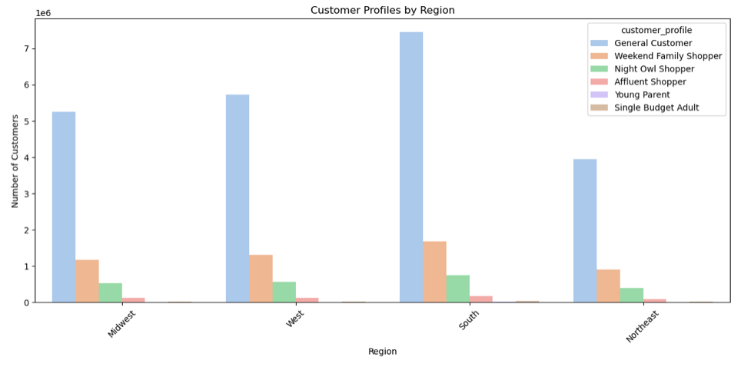

The General Customers profile constitutes the largest group across all regions, with the highest concentration in the South. In contrast, Affluent Shoppers represent one of the smallest customer segments overall, especially underrepresented in the Northeast region. The Weekend Family Shoppers are particularly prominent in the South, suggesting a strong presence of family-oriented households who likely shop together during weekends. Their presence is notably lower in the Northeast. Similarly, the Night Owl Shoppers, are most common in the South and least common in the Northeast, which may reflect differing lifestyle or work patterns across regions. Both Young Parents and Single Budget Adults consistently appear as minor segments across all regions, indicating that these profiles represent a relatively small portion of the customer base regardless of geographic location.

7. Recommendations
 |  | Title page

Recommendations

In this tab you should include any recommendations you would made to Instacart in terms of their marketing strategy based on the questions posed in the brief. Every key question has been covered in the Tasks of the Exercises - here you need to add an item - a visualisation or table/cross table that is showing the answer in the data, accompanied by a comment from you. Please, list the questions below and add the answer underneath.

The analysis shows that most Instacart orders take place between 9 AM and 4 PM, with a clear peak between 10 AM and 12 PM, while activity drops significantly after 5 PM and remains low during the early morning hours (12–5 AM). In terms of days, Sunday is the busiest, closely followed by Saturday, indicating that many customers prefer to shop over the weekend. Friday ranks third, likely due to pre-weekend planning, whereas Wednesday is the least busy—possibly because most users have already restocked earlier in the week. These patterns suggest that Instacart could schedule ads and promotions during off-peak hours and midweek to boost engagement when activity is typically lower.
Question 1:
The sales team needs to know what the busiest days of the week and hours of the
day are (i.e., the days and times with the most orders) in order to schedule ads at
times when there are fewer orders.
Question | Answer
Key Question 1

Question 2:
They also want to know whether there are particular times of the day when people
spend the most money, as this might inform the type of products they advertise at
these times.
The analysis indicates that product prices—and by extension, spending—remain relatively stable throughout the day, generally ranging between $7.75 and $7.90. A slight dip occurs in the late morning (around 10–11 AM), possibly due to reduced shopping activity during standard working hours. While early morning hours (12–6 AM) show more price variability, this may reflect fewer transactions and limited reliability. A modest increase in spending is observed in the evening. These insights suggest that Instacart could reserve premium product promotions or higher-value ads for the afternoon and evening windows, when customer spending is slightly elevated and more consistent.
Key Question 2

Key Question 3

To support marketing and sales strategy, product prices were grouped into three simplified price ranges: low-range, mid-range, and high-range. The analysis shows that mid-range products dominate the catalog, followed by low-range products. In contrast, high-range products are significantly fewer, totaling just 41,7678.
This distribution suggests that Instacart's inventory is primarily composed of mid- and low-priced items, which likely reflects typical consumer purchasing behavior and demand. Marketing efforts should therefore prioritise these two price categories, using targeted promotions and bundles to drive volume. Meanwhile, high-range items, although fewer, may benefit from more niche or premium marketing strategies aimed at affluent or brand-loyal shoppers.
Question 3:
Instacart has a lot of products with different price tags. Marketing and sales want to
use simpler price range groupings to help direct their efforts.



Key Question 4

The most frequently ordered items come from the personal care, snacks, pantry, and beverages departments, indicating strong and consistent demand for everyday essentials and convenience items. On the other hand, departments such as bulk, other, meat & seafood, and pets show lower order frequencies, suggesting either more specialised demand or less frequent purchase cycles. This insight can help marketing and sales teams prioritise promotions and product placements around high-frequency categories like snacks and beverages, while also developing targeted strategies (e.g. seasonal or subscription-based campaigns) to boost engagement with less commonly ordered departments.
Question 4:
Are there certain types of products that are more popular than others? The marketing
and sales teams want to know which departments have the highest frequency of
product orders.

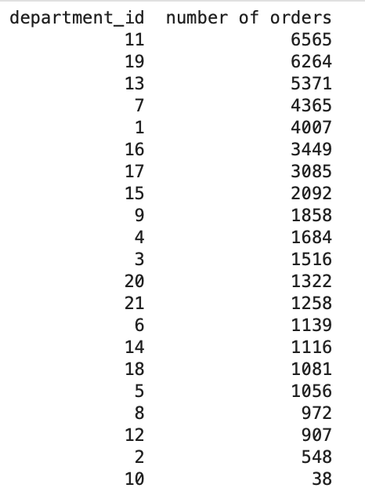
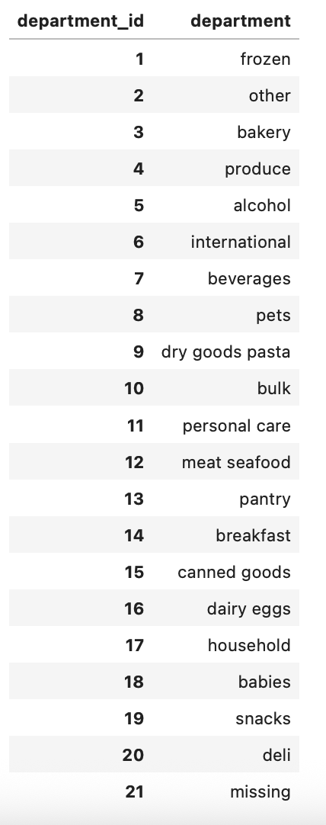

Key Question 5

○ What’s the distribution among users in regards to their brand loyalty (i.e., how often do they return to Instacart)?
○ Are there differences in ordering habits based on a customer’s loyalty status?
Instacart’s customer base is largely composed of Regular and Loyal customers, indicating strong retention and consistent user engagement. High-activity customers (those placing five or more orders) significantly outnumber low-activity users, suggesting that once customers begin using the platform, they tend to develop long-term shopping habits. To capitalise on this, Instacart should continue investing in loyalty programmes and incentives that reward frequent shoppers. At the same time, targeted onboarding campaigns such as “first three orders” discounts or referral bonuses could help convert new and low-activity users into regular customers.
○ Are there differences in ordering habits based on a customer’s region?
From a regional standpoint, the South represents Instacart’s strongest market, with both the highest total number of customers and the largest segment of high-spending users. The West also performs well in terms of high-spending customers, even with fewer total users. In contrast, the Midwest and Northeast lag in both user base and high-value shoppers. Marketing efforts should therefore focus on maintaining strong brand presence and premium product promotions in the South and West, while more awareness-driven and value-based campaigns could be developed for growth in the Northeast and Midwest.
○ What differences can you find in ordering habits of different customer profiles? Consider the price of orders, the frequency of orders, the products customers are ordering, and anything else you can think of.
Looking at customer profiles, General Customers form the largest group across all regions, suggesting the need to maintain broad-based promotions focused on everyday shopping habits. Weekend Family Shoppers and Night Owl Shoppers are sizable subgroups with distinct behaviours—shopping on weekends or during late-night hours—which offers opportunities for time-specific campaigns, such as weekend family bundles or nighttime convenience deals. Smaller segments, including Affluent Shoppers, Young Parents, and Single Budget Adults, should be addressed with more niche marketing strategies—offering premium products to high-income users and budget-friendly options for cost-sensitive shoppers.
○ Are there differences in ordering habits based on a customer’s region?
○ Is there a connection between age and family status in terms of ordering habits?
○ What different classifications does the demographic information suggest? Age? Income? Certain types of goods? Family status?
In terms of demographics, dependents are relatively common across all age groups, averaging around 1.5 per customer, which supports the development of family-focused product bundles. Income shows broad variability, but higher earners are more concentrated in the 40–60 age range, reflecting mid-to-late career peaks. Instacart can leverage this by targeting premium products and higher-priced promotions toward this age demographic, while continuing to offer universally appealing deals to meet the needs of users across income and family profiles.
Question 5:
The marketing and sales teams are particularly interested in the different types of customers in their system and how their ordering behaviors differ. For example:
○ What’s the distribution among users in regards to their brand loyalty (i.e., how often do they return to Instacart)?
○ Are there differences in ordering habits based on a customer’s loyalty status?
○ Are there differences in ordering habits based on a customer’s region?
○ Is there a connection between age and family status in terms of ordering habits?
○ What different classifications does the demographic information suggest? Age? Income? Certain types of goods? Family status?
○ What differences can you find in ordering habits of different customer profiles? Consider the price of orders, the frequency of orders, the products customers are ordering, and anything else you can think of.

